Form
Hazard Notification

 |  |  |  |  | Please Select
Primary Contact Name |  | 24hr Phone Number |  |  | Privacy contact on file with EH&S?

Secondary Contact Name |  | 24hr Phone Number |  |  | Date Last Updated

Additional Contact Name |  | 24hr Phone Number |  |  | Room Number(s)

Entry Requirements
 |  |  |  |  |  | 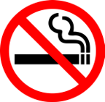

Eye Protection | Long Pants or Skirt | Full Coverage Shoes |  | No Food or Drink |  | No Smoking

Other Requirements:

Review hazard assessment and SOPs for additional PPE requirements while working.

Health Assessments: | Please Select |  | Vaccinations:
 | Please Select

Hazards Present

 |  |  |  |  |  |  | ,

Select | Select | Select |  | Select |  | Select

Select | Select | Select |  | Select |  | Select
Additional Information

Exit Requirements: remove PPE & wash hands prior to exiting the lab (the use of one clean glove is acceptable when transporting samples).

Additional Exit Requirements:

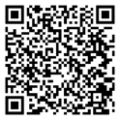
Emergencies: | 911 |  | Scan for intructions and more information about notice boards:
EH&S: | 352-392-1591
Worker's Comp: | 1-800-455-2079
Other:

