Instructions
Instructions NOTE: This spreadsheet is intended for entrances of shared, open bay lab spaces. This sign includes only contact information and the specific hazards will be found at the notice board placed at each lab bay. 1) Click on the Form tab of the spreadsheet. 2) Fill out the grey boxes at the top of the page. List each PI and appropriate room/bay number. 3) Under the Entry Requirements section, select the appropriate health assessments from the drop down menu. Select NA if not applicable. List the appropriate vaccinations if applicable. 4) Once complete, print the Form tab in color (8.5" x 11" sheet). The form must be printed in color. 5) Place the sheet in the sign holder at each entrance to the space. To request a sign holder, please subit the Lab Signage Order Request form found on the EH&S website. 6) Each lab must complete their own individual hazard notification board and place it at the end of the lab bay indicating the hazards present.

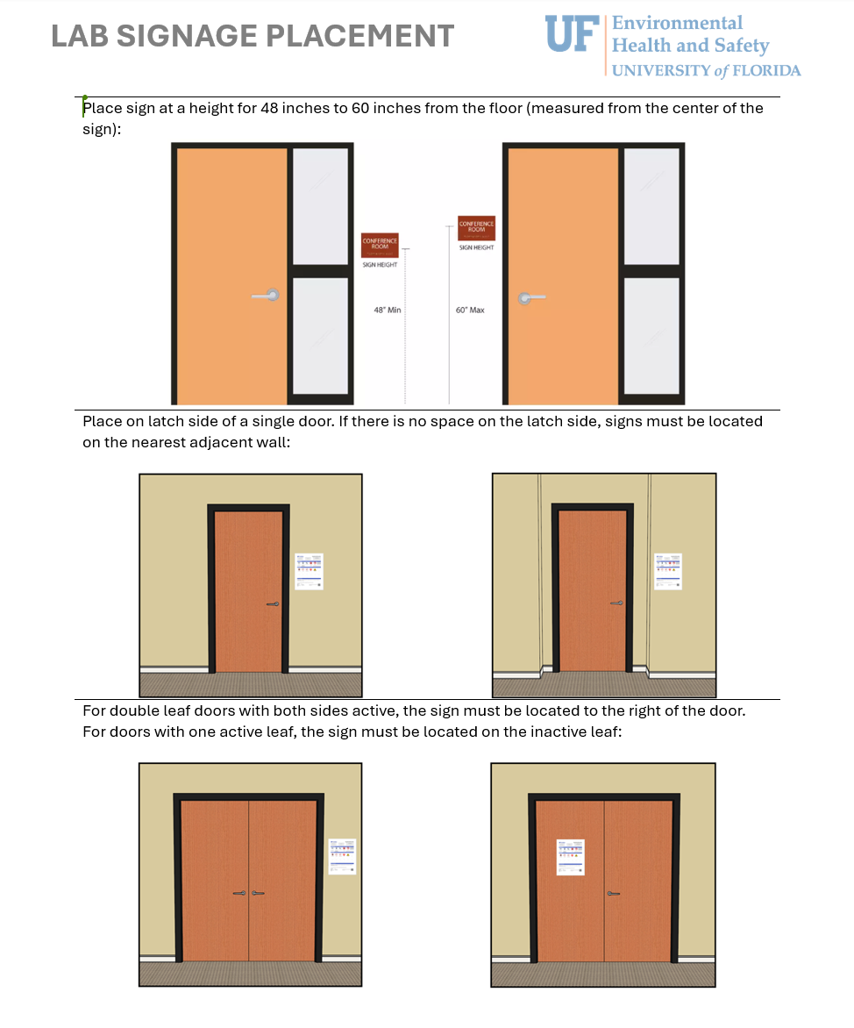

Form
HAZARD NOTIFICATION

Refer to hazard information at the individual lab bay.
 |  |  |  |  |  |  | Date Last Updated

PI Name |  |  | Phone Number |  |  |  | Room/Bay Number(s)

PI Name |  |  | Phone Number |  |  |  | Room/Bay Number(s)

PI Name |  |  | Phone Number |  |  |  | Room Number(s)

PI Name |  |  | Phone Number |  |  |  | Room/Bay Number(s)

PI Name |  |  | Phone Number |  |  |  | Room/Bay Number(s)

PI Name |  |  | Phone Number |  |  |  | Room/Bay Number(s)

PI Name |  |  | Phone Number |  |  |  | Room/Bay Number(s)

PI Name |  |  | Phone Number |  |  |  | Room/Bay Number(s)

PI Name |  |  | Phone Number |  |  |  | Room/Bay Number(s)

PI Name |  |  | Phone Number |  |  |  | Room/Bay Number(s)

Entry Requirements
 |  |  |  |  |  | 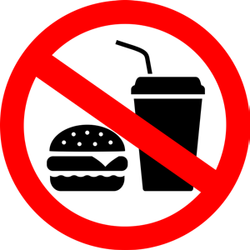 |  | 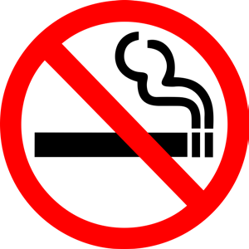

Eye Protection |  | Long Pants or Skirt |  | Full Coverage Shoes |  | No Food or Drink |  | No Smoking

Other Requirements:

Health Assessments: | Please Select |  |  |  | Vaccinations:
 | Please Select

Additional Information

Exit Requirements: remove PPE and wash hands prior to exiting the lab (the use of one clean glove is acceptable when transporting samples out of the lab).

Additional Requirements:

Review hazard assessments and SOPs for additional PPE requirements when working.

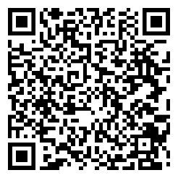
Emergencies: |  | 911
EH&S : |  | 352-392-1591 |  |  | Scan for instructions and more information about notice boards:
Worker's Comp: |  | 1-800-455-2079
Other:

